Sheet1
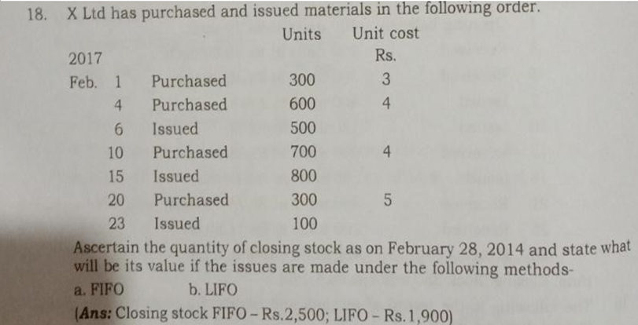
 |  | Store Ledger under (FIFO) First In First Out Method
Date (2017) | Particulars | Receipt |  |  | Issue |  |  | Balance
 |  | Quantity | Rate | Amount | Quantity | Rate | Amount | Quantity | Rate | Amount
2021-02-01 | GRN | 300 | 3 | 900 |  |  |  | 300 | 3 | 900
2021-02-04 | GRN | 600 | 4 | 2,400 |  |  |  | 600 | 4 | 2,400
2021-02-06 | MRN |  |  |  | 300 | 3 | 900 | 400 | 4 | 1600
 |  |  |  |  | 200 | 4 | 800
2021-02-10 | GRN | 700 | 4 | 2,800 |  |  |  | 400 | 4 | 1,600
 |  |  |  |  |  |  |  | 700 | 4 | 2,800
2021-02-15 | MRN |  |  |  | 400 | 4 | 1,600 | 300 | 4 | 1,200
 |  |  |  |  | 400 | 4 | 1600
2021-02-20 | GRN | 300 | 5 | 1,500 |  |  |  | 300 | 4 | 1,200
 |  |  |  |  |  |  |  | 300 | 5 | 1,500
2021-02-23 | MRN |  |  |  | 100 | 4 | 400 | 200 | 4 | 800
 |  |  |  |  |  |  |  | 300 | 5 | 1,500
 |  |  |  |  |  |  |  |  |  |  | PURCHASED - GRN
BALANCE |  |  |  |  |  |  |  |  |  | 2,300 | ISSUED - MRN

 |  | Store Ledger under(LIFO) Last In First Out Method
Date | Particulars | Receipt |  |  | Issue |  |  | Balance
 |  | Quantity | Rate | Amount | Quantity | Rate | Amount | Quantity | Rate | Amount
2021-02-01 | GRN | 300 | 3 | 900 |  |  |  | 300 | 3 | 900
2021-02-04 | GRN | 600 | 4 | 2,400 |  |  |  | 600 | 4 | 2,400
2021-02-06 | MRN |  |  |  | 500 | 4 | 2,000 | 300 | 3 | 900
 |  |  |  |  |  |  |  | 100 | 4 | 400
2021-02-10 | GRN | 700 | 4 | 2,800 |  |  |  | 300 | 3 | 900
 |  |  |  |  |  |  |  | 100 | 4 | 400
 |  |  |  |  |  |  |  | 700 | 4 | 2,800
2021-02-15 | MRN |  |  |  | 700 | 4 | 2800 | 300 | 3 | 900
 |  |  |  |  | 100 | 4 | 400
2021-02-20 | GRN | 300 | 5 | 1500 |  |  |  | 300 | 3 | 900
 |  |  |  |  |  |  |  | 300 | 5 | 1,500
2021-02-23 | MRN |  |  |  | 100 | 5 | 500 | 300 | 3 | 900
 |  |  |  |  |  |  |  | 200 | 5 | 1,000
BALANCE |  |  |  |  |  |  |  |  |  | 1,900

